ICF
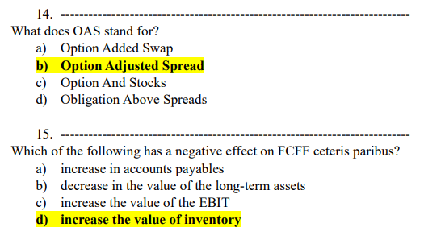
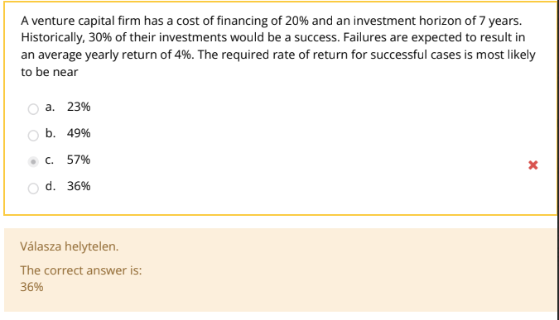
 |  |  |  |  |  |  |  | r | 20%
 |  |  |  |  |  |  |  | t | 7
 |  |  |  |  |  |  |  | Chance of failure | 70.0%
 |  |  |  |  |  |  |  | r on failure | 4%
 |  |  |  |  |  |  |  | Chance of success | 30%

 |  |  |  |  |  |  |  | r on success | 36.60%

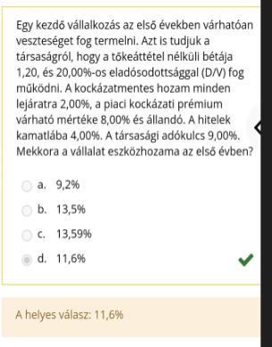
 |  |  |  |  |  | unlevered beta | 1.2
 |  |  |  |  |  | D/V | 20%
 |  |  |  |  |  | rf | 2%
 |  |  |  |  |  | prm | 8%
 |  |  |  |  |  | rD | 4%
 |  |  |  |  |  | t | 9%

 |  |  |  |  |  | rA | 11.600%

rA | 10%
t | 20%
rD | 6%
E/V | 40%
D/V | 60%

WACC | 9.2800%

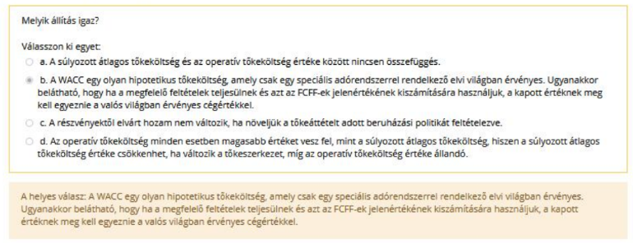

Sales | 2000 |  | BV E | 1000
EBIT | 200 |  | BV D | 500
NI | 100 |  | Mkt E | 2000
 |  |  | Mkt D | 600

P/BV | 2
EV/BV | 2.6
P/E | 20
EV/S | 1.3

 |  |  |  |  |  |  |  |  |  | P/E | consistent

 |  |  |  |  |  |  |  |  |  |  | If there is debt:
 |  |  |  |  |  |  |  |  |  |  |  | WACC > rD
 |  |  |  |  |  |  |  |  |  |  |  | rA > WACC
 |  |  |  |  |  |  |  |  |  |  |  | rE > rA > WACC > rD





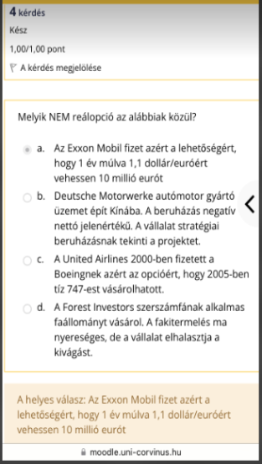



 |  |  |  |  |  |  |  | sigma i | 20
 |  |  |  |  |  |  |  | cov | 200
 |  |  |  |  |  |  |  | sigma m | 15

 |  |  |  |  |  |  |  | beta | 0.88888888889

 |  |  |  |  |  |  |  | IC | 100
 |  |  |  |  |  |  |  | CF | 8
 |  |  |  |  |  |  |  | r | 10%

 |  |  |  |  |  |  |  | PV | 80
 |  |  |  |  |  |  |  | V | -20



 |  |  |  |  | precautionary balance: to account for the uncertainty associated with its CFs

 |  |  |  |  | compensating balance: to satisfy bank requirements

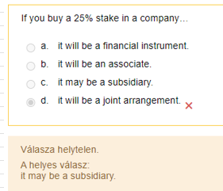

 |  |  |  | financial instrument < 20%
 |  |  |  | associate with at least 20%

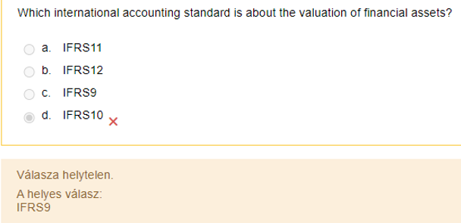
 |  |  |  |  |  |  | IFRS3: business combinations
 |  |  |  |  |  |  | IFRS9: valuation of financial assets
 |  |  |  |  |  |  | IFRS10: rules of group accounting, consolidated financial statements
 |  |  |  |  |  |  | IFRS11: joint arrangements
 |  |  |  |  |  |  | IFRS 12: Disclosure of Interests in Other Entities
 |  |  |  |  |  |  | IAS 28R: dealing with associates and equity financing

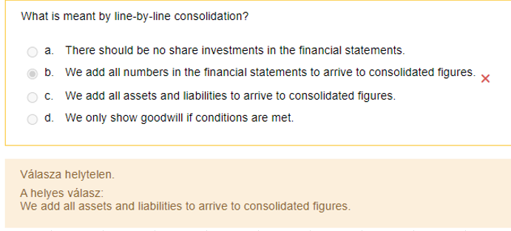

 |  |  |  |  |  |  |  |  |  |  | Beta U | 0.7
 |  |  |  |  |  |  |  |  |  |  | rf | 2%
 |  |  |  |  |  |  |  |  |  |  | mrp | 7%
 |  |  |  |  |  |  |  |  |  |  | rE | 12%
 |  |  |  |  |  |  |  |  |  |  | rD | 5%
 |  |  |  |  |  |  |  |  |  |  | t | 10%

 |  |  |  |  |  |  |  |  |  |  | rA | 6.900% | 5.500%

 |  |  |  |  |  |  |  |  |  |  | D/V | 0.72857142857
 |  |  |  |  |  |  |  |  |  |  | E/V | 0.27142857143

 |  |  |  |  |  |  |  |  |  |  | rA | 6.90%
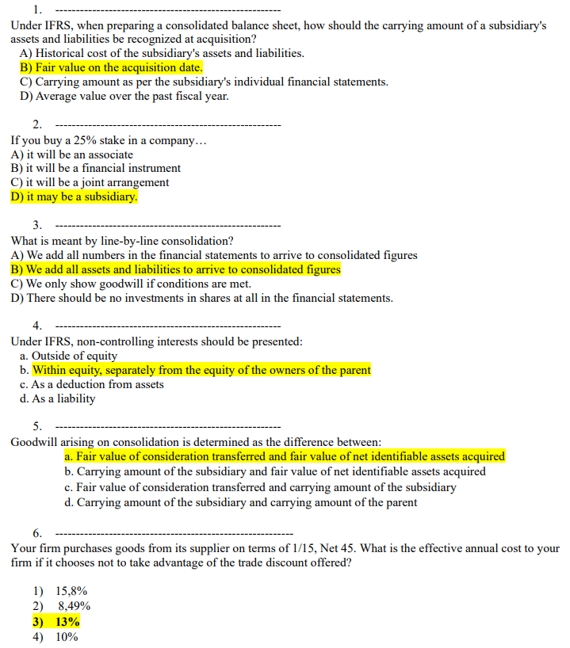
 |  |  |  |  |  |  |  |  |  |  | WACC | 6.54%

discount | 1
full | 100
T | 30

EAR | 13.01%

Commitment | 2000000
r | 5%
commitment fee | 0.20%

borrow | 1000000
stay | 1000000

Total cost | 52000

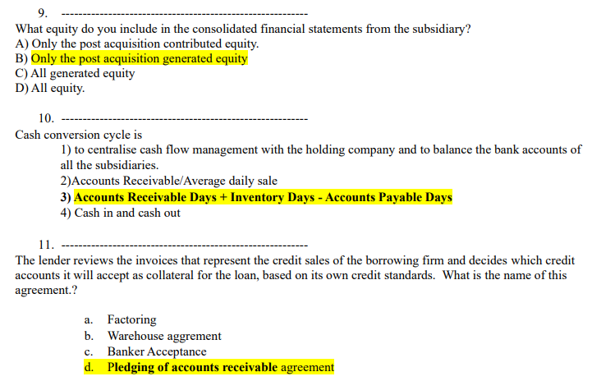

$$RONIC= \frac{Δ{NOPLAT}_{T} }{Δ{IC}_{T−1}}$$
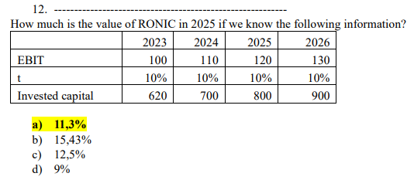

 |  |  |  |  |  |  | 2023 | 2024 | 2025 | 2026
 |  |  |  |  |  | EBIT | 100 | 110 | 120 | 130
 |  |  |  |  |  | t | 10% | 10% | 10% | 10%
 |  |  |  |  |  | IC | 620 | 700 | 800 | 900
 |  |  |  |  |  | dIC |  | 80 | 100 | 100
 |  |  |  |  |  | NOPLAT | 90 | 99 | 108 | 117
 |  |  |  |  |  | dNOPLAT |  | 9 | 9 | 9
 |  |  |  |  |  | RONIC |  |  | \ | 0.09

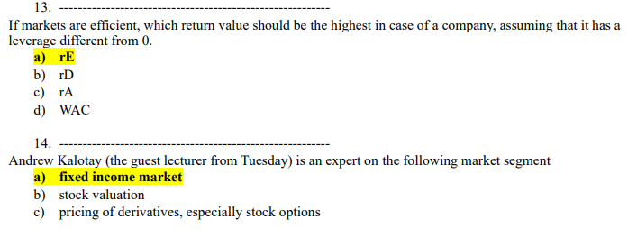

Beta U | 0.75 |  | rA | 8.2500% | WACC | 7.875%
rf | 3%
MRP | 7% |  | D/V | 0.625
rE | 12% |  | E/V | 0.375
rD | 6%
T | 10% |  | rA | 0.0825

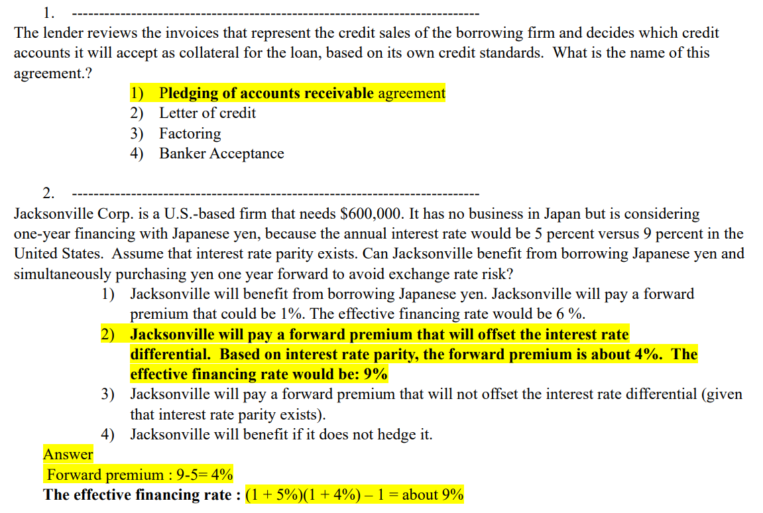

Needs | 600000
r JPN | 5%
r US | 9%

pemium | 4%
effective rate | 9.20%

Borrowed | 5100000 |  | interest/m | 36975
r annual | 8.70% |  | warehouse/m | 5100
warehouse fee | 5100
 |  |  | total | 42075

 |  |  | EAR | 10.36%

Days | Outstanding | weights
10 | 100000 | 18.80%
11-30 | 300000 | 56.39%
31-40 | 100000 | 18.80%
41-50 | 20000 | 3.76%
51-60 | 10000 | 1.88%
60 | 2000 | 0.38%

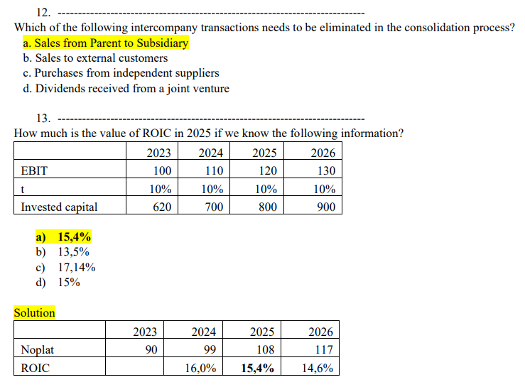

$$ROIC= \frac{{NOPLAT}_{T} }{{IC}_{T−1}}$$

 |  |  |  |  |  |  |  | 2023 | 2024 | 2025 | 2026
 |  |  |  |  |  |  | EBIT | 100 | 110 | 120 | 130
 |  |  |  |  |  |  | t | 10% | 10% | 10% | 10%
 |  |  |  |  |  |  | IC | 620 | 700 | 800 | 900
 |  |  |  |  |  |  | NOPLAT | 90 | 99 | 108 | 117
 |  |  |  |  |  |  |  |  | 15.97% | 15.43% | 14.63%

ABV
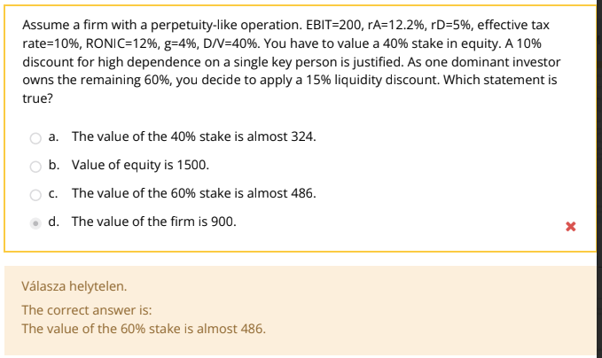
 |  |  |  |  |  |  |  |  | EBIT | 200 |  | NOPLAT | 180
 |  |  |  |  |  |  |  |  | rA | 12.20% |  | K | 33.333%
 |  |  |  |  |  |  |  |  | rD | 5% |  | FCFF | 120
 |  |  |  |  |  |  |  |  | t | 10% |  | WACC | 12.00%
 |  |  |  |  |  |  |  |  | RONIC | 12%
 |  |  |  |  |  |  |  |  | g | 4% |  | V | 1500
 |  |  |  |  |  |  |  |  | D/V | 40%
 |  |  |  |  |  |  |  |  |  |  |  | E | 900
 |  |  |  |  |  |  |  |  | Key person discount | 10%
 |  |  |  |  |  |  |  |  | Liquidity discount | 15% |  | E after key person | 810

 |  |  |  |  |  |  |  |  |  |  |  | E60% | 486
 |  |  |  |  |  |  |  |  |  |  |  | E40% | 324
 |  |  |  |  |  |  |  |  |  |  |  | E40%* | 275.4

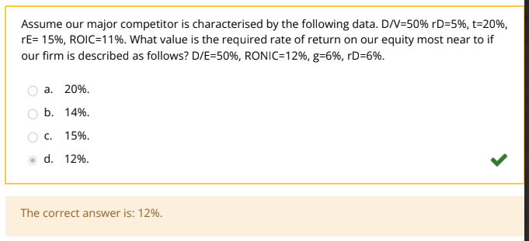
 |  |  |  |  |  |  |  |  | D/V | 50% |  | D/E | 50%
 |  |  |  |  |  |  |  |  | rD | 5% |  | RONIC | 12%
 |  |  |  |  |  |  |  |  | t | 20% |  | g | 6%
 |  |  |  |  |  |  |  |  | rE | 15% |  | rD | 6%
 |  |  |  |  |  |  |  |  | ROIC | 11% |  | D/V | 0.33333333333
 |  |  |  |  |  |  |  |  |  |  |  | E/V | 0.66666666667
 |  |  |  |  |  |  |  |  | rA | 10.0%
 |  |  |  |  |  |  |  |  |  |  |  | rE | 12%

 |  |  |  |  |  |  |  |  |  |  |  | rA | 0.1

 |  |  |  |  |  |  |  |  |  |  |  | NOPLAT | 100
 |  |  |  |  |  |  |  |  |  |  |  | g | 1%
 |  |  |  |  |  |  |  |  |  |  |  | RONIC | 2%
 |  |  |  |  |  |  |  |  |  |  |  | K | 0.50%

 |  |  |  |  |  |  |  |  |  |  |  | FCFF | 99.5

 |  |  |  |  |  |  |  |  |  |  | Increased volume is operational synergie

 |  |  |  |  |  |  |  |  |  |  |  | RONIC = WACC

 |  |  |  |  |  |  |  |  |  |  |  | return on new invested capital - the new investments don't create value

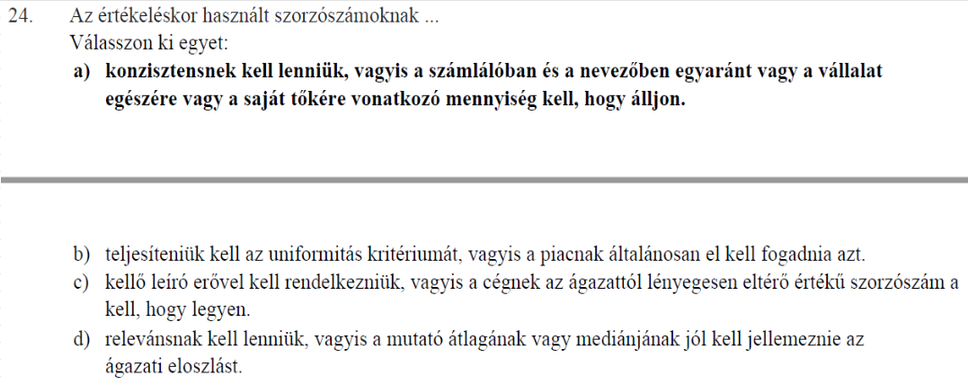

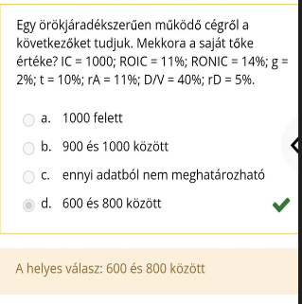
 |  |  |  |  | IC | 1000 |  | NOPLAT | 110
 |  |  |  |  | ROIC | 11% |  | K | 14.29%
 |  |  |  |  | RONIC | 14% |  | FCFF | 94.285714286
 |  |  |  |  | g | 2%
 |  |  |  |  | t | 10% |  | WACC | 10.800%
 |  |  |  |  | rA | 11% |  | V | 1071.4285714
 |  |  |  |  | D/V | 40%
 |  |  |  |  | rD | 5% |  | E | 642.85714286

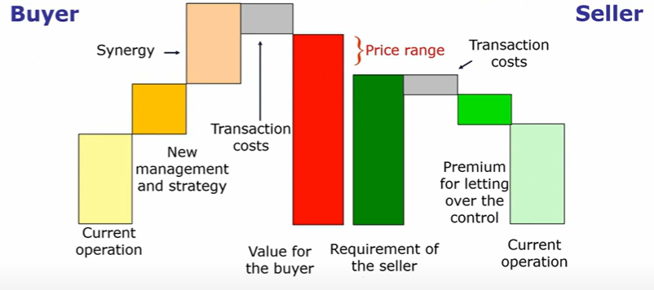
Exp seller | 190
controll premium | 25
current op | 32
synergies | 12

Transaction cost | 133

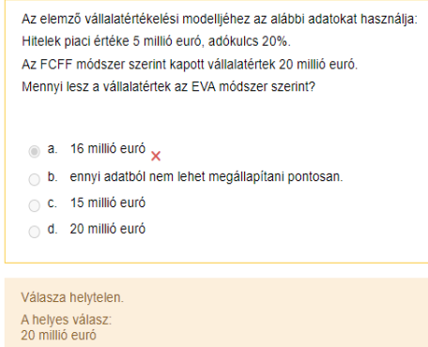

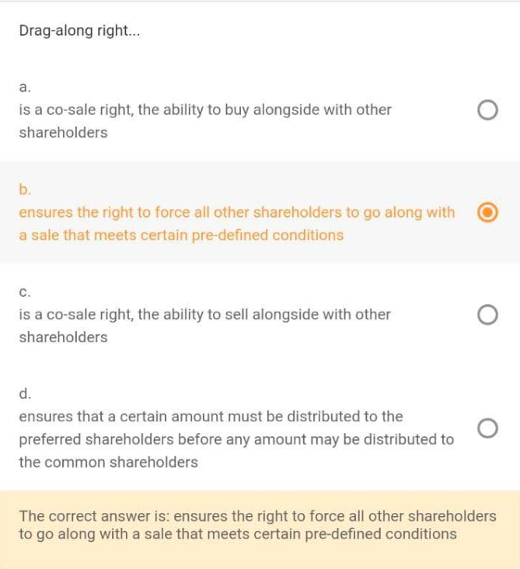



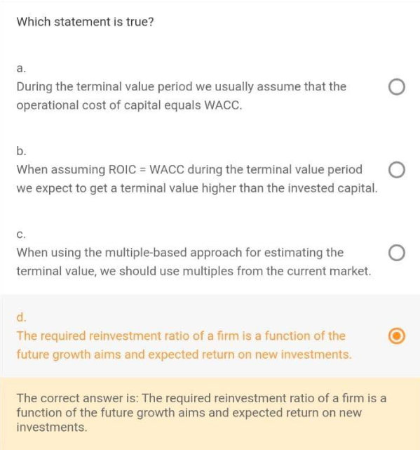

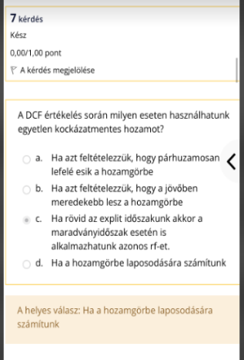
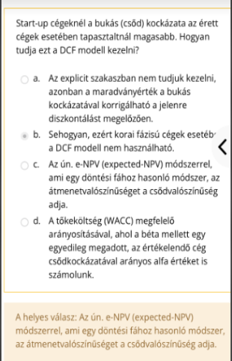



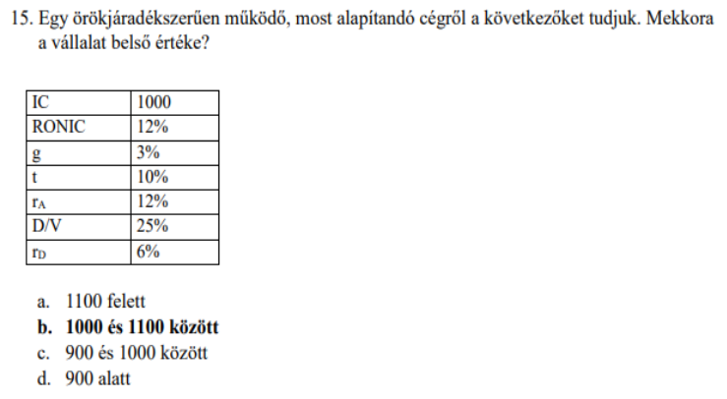
 |  |  |  |  |  |  |  |  | IC | 1000
 |  |  |  |  |  |  |  |  | RONIC | 12%
 |  |  |  |  |  |  |  |  | g | 3%
 |  |  |  |  |  |  |  |  | t | 10%
 |  |  |  |  |  |  |  |  | rA | 12%
 |  |  |  |  |  |  |  |  | D/V | 25%
 |  |  |  |  |  |  |  |  | rD | 6%

 |  |  |  |  |  |  |  |  | NOPLAT | 120
 |  |  |  |  |  |  |  |  | K | 25.00%
 |  |  |  |  |  |  |  |  | FCFF | 90

 |  |  |  |  |  |  |  |  | WACC | 11.8500%
 |  |  |  |  |  |  |  |  | V | 1016.9491525

r | 20%
t | 8
prob of failure | 75.00%
return on failure | 9%
prob of success | 25%

 | 35.29%

 |  |  |  |  | D | 400
ROIC | 12% |  |  |  | NI | 50
rA | 12% |  |  |  | shares | 100000
D/V | 50% |  |  |  | P | 5000
rD | 6% |  |  |  | EV | 1000
t | 20%
WACC | 11.400% | < | ROIC |  | E | 600
 |  |  |  |  | P/E | 12
 |  | creates value

Price | 1200 |  | Equity N | 6000
Cash | 600
 |  |  | B stake | 0.1
A shares | 9,000,000 |  | A stake | 0.9
B | 500,000
 |  |  | A shares | 10,000,000
Equity A | 5000 |  | B shares | 1,000,000
Ewuity B | 1000
 |  |  | Fare ratio | 2

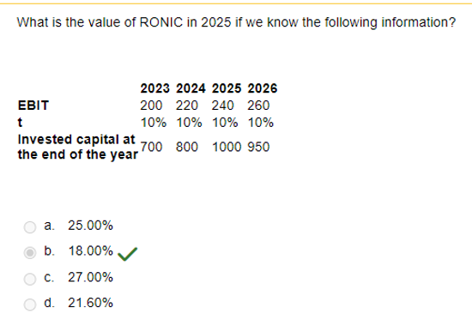

 |  |  |  |  |  |  |  | 2023 | 2024 | 2025 | 2026
 |  |  |  |  |  |  | EBIT | 200 | 220 | 240 | 260
 |  |  |  |  |  |  | t | 10% | 10% | 10% | 10%
 |  |  |  |  |  |  | IC | 700 | 800 | 1000 | 950
 |  |  |  |  |  |  | dIC |  | 100 | 200 | -50
 |  |  |  |  |  |  | NOPLAT | 180 | 198 | 216 | 234
 |  |  |  |  |  |  | dNOPLAT |  | 18 | 18 | 18
 |  |  |  |  |  |  | RONIC |  |  | 18% | 9%

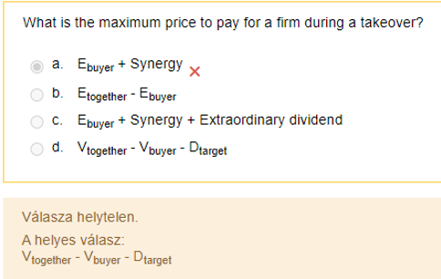

NOPLAT | 120 |  | K | 33.3333% |  | E 40% | 480
g | 4% |  | FCFF | 80 |  | E 40% disc | 432
RONIC | 12% |  | V | 2000
D | 500 |  |  |  |  | E 40% | 768
WACC | 8% |  | E | 1500
 |  |  | E size | 1200
Size discount | 20%
minority discount | 10%

Bonds
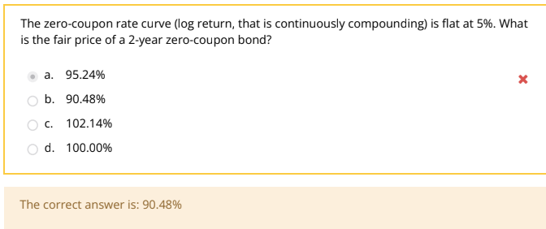
 |  |  |  |  |  | rf | 5% |  | 2 | 100
 |  |  |  |  |  | N | 100

 |  |  |  |  |  | PV | 90.483741804

 |  |  |  |  |  |  |  | 12%

 |  |  |  |  |  |  |  | PV perpetuity | 9.33

 |  |  |  |  |  |  |  | DF1 | 98% | 1 | Log1 | 0.020202707318
 |  |  |  |  |  |  |  | DF2 | 95% | 2 |  | 0.025646647194
 |  |  |  |  |  |  |  | DF3 | 92% | 3 |  | 0.027793869646 |  | 0.032088314552

 |  |  |  |  |  |  |  | par yield | 2.5906735751295360% | >2%

 |  |  |  |  |  |  |  | DF1 | 97% | 1 |  | log1 | 0.030459207485
 |  |  |  |  |  |  |  | DF2 | 93% | 2 |  | log2 | 0.036285346417
 |  |  |  |  |  |  |  | DF3 | 89% | 3 |  | log3 | 0.038844605419 |  | 0.043963123421

 |  |  |  |  |  |  |  | par yield | 3.6842105263157870%

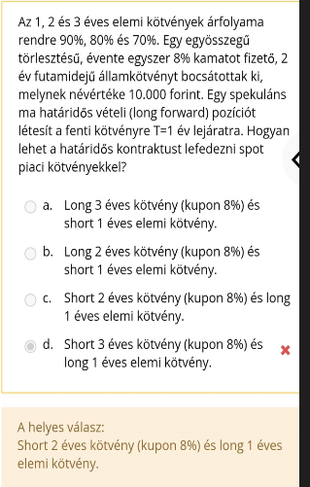
 |  |  | T | 2

 |  |  | LF | LU+SB | -> | SF | SU+LB

 |  |  |  |  |  | Short 2 year coupon bond + long 1 year zero coupon bond

rF | 12% | t | cf | PV rf | PV premium
r premium | 14.00% | 1 | 20 | 17.738408734 | 17.387164708 | 0.35124402637
c | 20% | 2 | 20 | 15.732557221 | 15.115674829 | 0.61688239222
N | 100 | 3 | 120 | 83.721159129 | 78.845618378 | 4.8755407507
 |  |  |  |  |  | 5.8436671693

 |  |  |  |  |  |  |  |  | DF1 | 96% |  | T | CF | PV | w
 |  |  |  |  |  |  |  |  | DF2 | 92% |  | 1 | 10 | 9.6 | 0.084656084656
 |  |  |  |  |  |  |  |  | DF3 | 86% |  | 2 | 10 | 9.2 | 0.081128747795
 |  |  |  |  |  |  |  |  |  |  |  | 3 | 110 | 94.6 | 0.83421516755
 |  |  |  |  |  |  |  |  | c | 10% |  |  |  | 113.4
 |  |  |  |  |  |  |  |  | N | 100

 |  |  |  |  |  |  |  |  | D | 2.7495590829

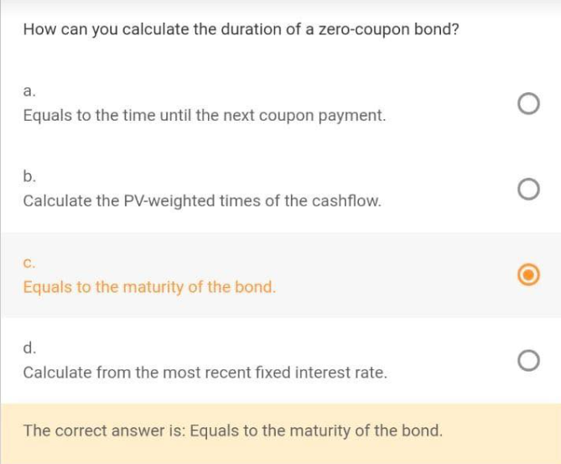

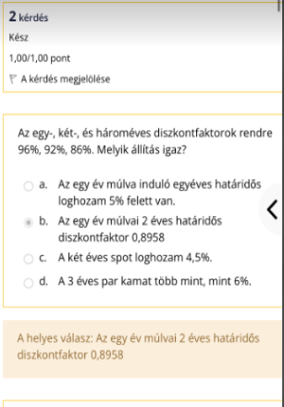

 |  | DF1 | 96% | 1 |  | log1 | 0.04082199452
 |  | DF2 | 92% | 2 |  | log2 | 0.04169080447
 |  | DF3 | 86% | 3 |  | log3 | 0.050274296578 |  | 0.067441280796

 |  | par yield | 5.11%

 |  | DF | 89.583%

 |  |  |  |  |  |  | 10%

 |  |  |  |  |  |  | Perpetuity | 11.00

DF1 | 95%
DF2 | 90%
DF3 | 85%

par yield | 5.56%

Futures - Forwards
 |  |  | t | CF | PV
K | 150 |  | 1 | 20 | 18.181818182
S | 200 |  | 2 | 40 | 33.05785124
r | 10% |  |  |  | 51.239669421

f | 24.79338843

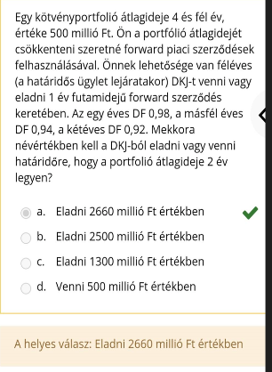

 |  |  |  |  | D | Mkt V
 |  |  |  | portf | 4.5 | 500
 |  |  |  | LF | 1.5 | x
 |  |  |  | zero coupon | 0.5 | -x |  | x | -1250
 |  |  |  |  | 2 | 500

 |  |  |  |  |  |  | Portf d | 2

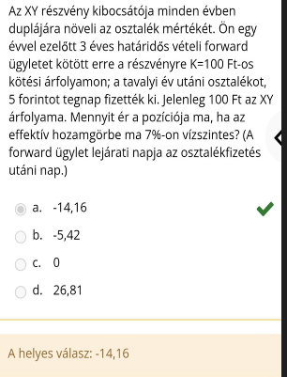
 |  |  |  |  |  | t | CF | PV
 |  |  | K | 100 |  | 1 | 10 | 9.3457943925
 |  |  | S | 100 |  | 2 | 20 | 17.468774565
 |  |  | r | 7% |  |  |  | 26.814568958

 |  |  | f | -14.158441785

SF | SU+LB

Short 3 year coupon bond + long 1 year zero coupon bond

DF1 | 93% | t | CF | PV
DF2 | 86% | 1 | 6 | 5.58
DF3 | 81% | 2 | 6 | 5.16
 |  | 3 | 106 | 85.86
N | 100 |  |  | 96.6
c | 6%

f | 99.837209302

T | 0.75
q | 3%
S | 500
F | 525

r | 9.51%

F | 524.99999975

Sigma S | 0.85
Sigma F | 0.95
corr | 0.95

Hedge ratio | 0.85

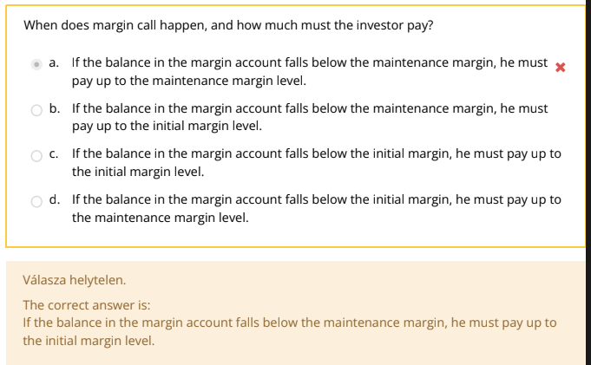

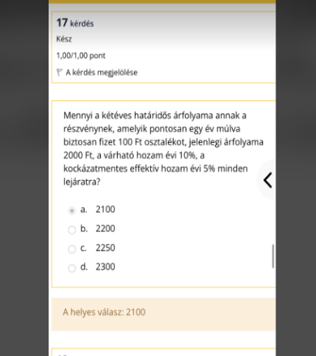

 |  |  |  |  | T | 2
 |  |  |  |  | I | 100
 |  |  |  |  | S | 2000
 |  |  |  |  | r | 5%

 |  |  |  |  | F | 2100

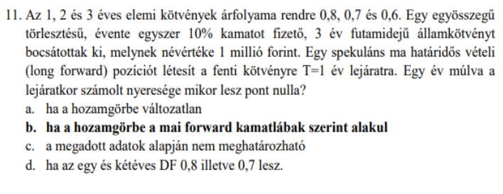

T | 0.5
q | 6%
S | 3000
rf | 10%
F | 3150

F | 3060.6040201

SF
LF | LU+SB

0

Swap
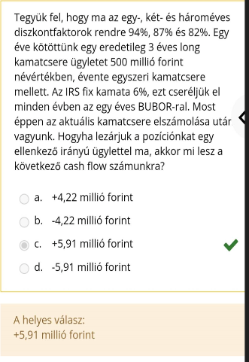

 |  |  |  | DF1 | 94%
 |  |  |  | DF2 | 87%
 |  |  |  | DF3 | 82%

 |  |  |  | T | 3%
 |  |  |  | long | paying fix, receiving forward

 |  |  |  | fix | 6%
 |  |  |  | par yield T=2 | 7.18%
 |  |  |  |  | 1.18% | 5.9116022099

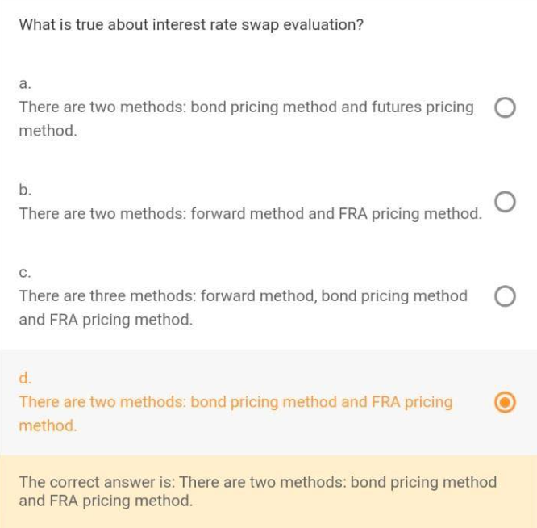

t | CF fix | CF floating | diff | PV
1 | -10 | 8 | -2 | -1.8518518519
2 | -10 | 8 | -2 | -1.7146776406
 |  |  |  | -3.5665294925

Option
 |  |  |  |  |  |  |  | prob
 |  |  |  |  | 400
S | 100 |  |  | 200 | 300 |  |  | 0.64
u | 2 |  | 100 | 109.5162582 | 100
d | 0.5 |  | 39.979369364 | 50 | 0 |  |  | 0.32
K | 100 |  |  | 0 | 25
r | 10% |  |  |  | 0 |  |  | 0.04

DF | 0.90483741804
q | 0.40344727872
1-q | 0.59655272128

q | 80%

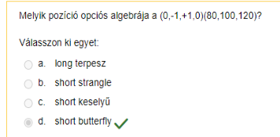

 | rf | 25%
 | K | 120 |  | c+PV(K)=p+S
 | c | 42
 | p | 38

 | S | 100

 |  |  |  |  |  |  |  |  |  | bondholder -> short put

 |  |  |  |  |  |  |  |  |  | stockholder -> long call

 |  |  |  |  |  |  |  |  |  | theta | gamma | delta



K | 200
c | 25
p | 15
DF | 90.91%

S | 191.82

F | 210.99989

S | 1000
t | 0.5 |  |  |  | 1562.5
u | 1.25 |  |  | 1250 | 0 |  |  |  | 0
d | 0.8 |  | 1000 | 0 | 1000 |  |  | 0
rf | 10% |  | 63.528718986 | 800 | 0 |  | -0.33606538778 |  | 0
DF | 0.9512294245 |  |  | 151.2294245 | 640 |  |  | -1
 |  |  |  |  | 360 |  |  |  | 1
q | 0.55838021417 |  |  |  |  |  | -336.06538778
1-q | 0.44161978583
 |  |  |  |  |  |  | buy 336

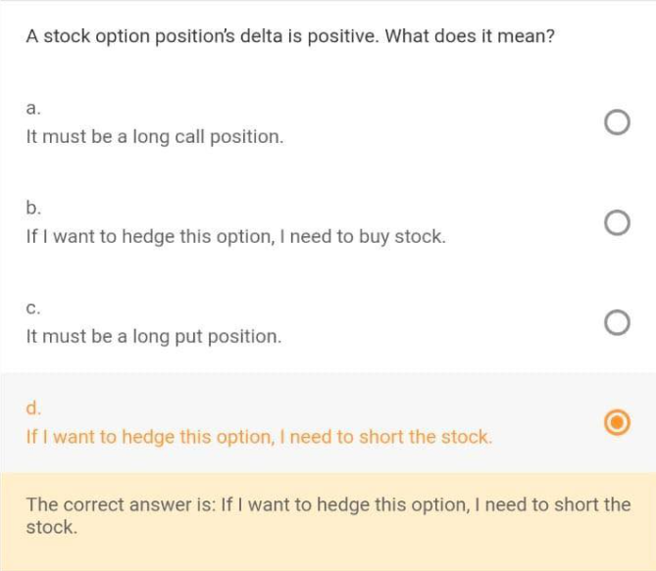

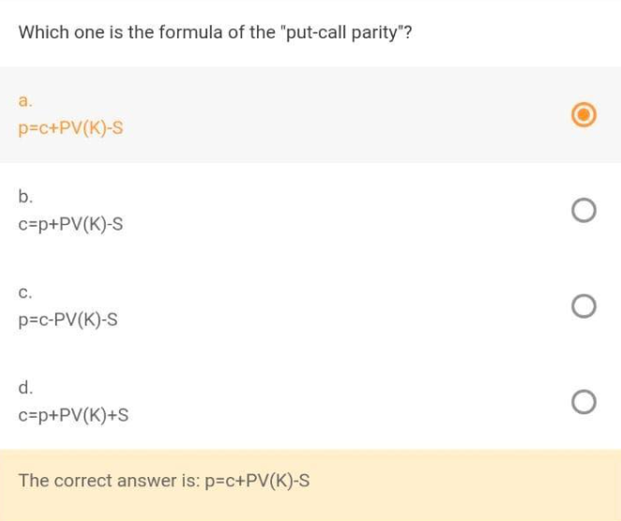





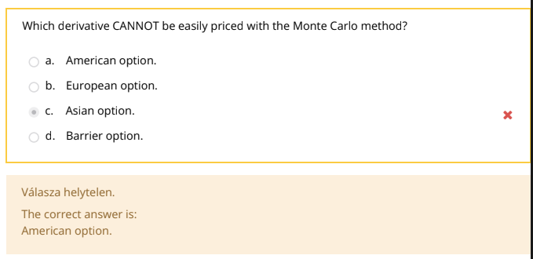

 |  |  |  |  |  |  |  |  | Bear | SP(K1)+LP(K2)
 |  |  |  |  |  |  |  |  |  | SC(K1)+LC(K2)

 | c delta | 0.6
 | put delta | -0.4
 | Siize | 1000
 |  | -400

 | rf | 25% |  |  |  | 110 | 120
 |  |  |  |  | c | 45 | 42
 | S | 100 |  |  | p |  | 38

k | 100
c | 15
p | 10
df | 80%

S | 85
F | 106.25

AD1 | 0.531 |  | q | 0.55824222035
AD2 | 0.4202 |  | AD1 | 0.531
 | 0.9512

S | 200 |  |  | 190 | 210
 |  |  | delta | 0.466 | 0.518
 |  |  | gamma | 0.025 | 0.021
 |  |  | vega | 0.273 | 0.296

Size | 2000

Delta | 932

Delta new | 1799.2277992

S | 1000
vol | 31.56%
rf | 10%
delta t | 0.5

u | 1.2500241863
d | 0.79998452109
 |  |  | AD1 | 0.53113359308
DF | 0.9512294245 |  | AD2 | 0.42009583142
q | 0.55836539472 |  |  | 0.9512294245
1-q | 0.44163460528

 |  |  |  |  |  |  |  |  |  | 0.55132117559
 |  |  |  |  |  |  |  |  |  | 0.551

Investments
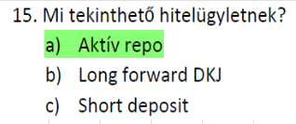



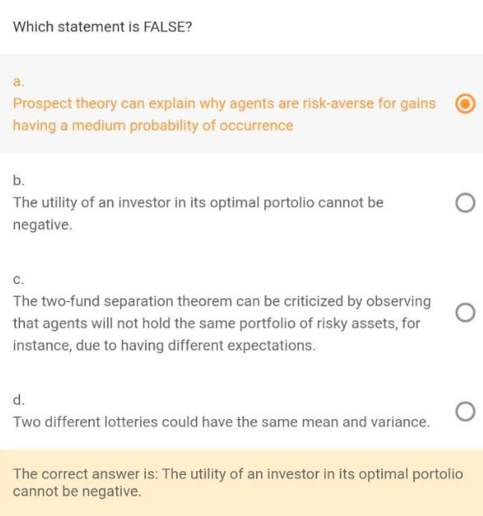

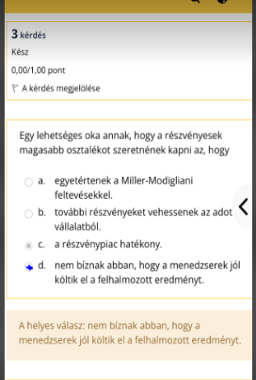

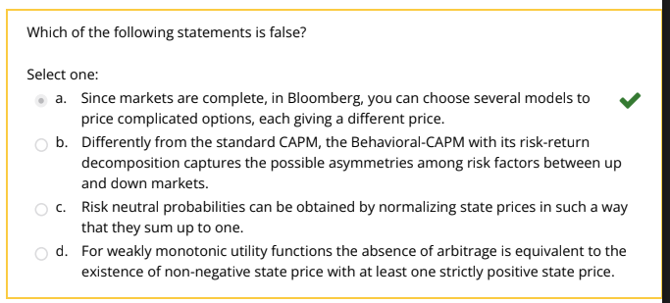



Risk+Banking
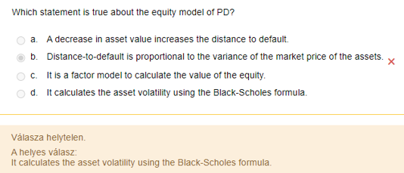
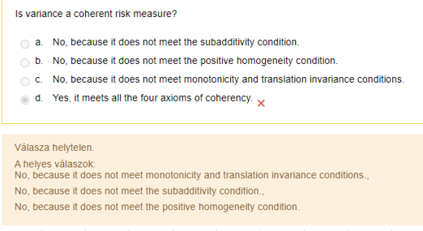
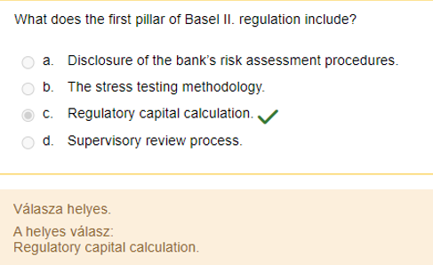
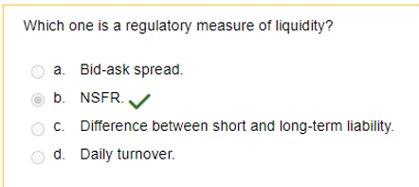






 |  |  |  |  | 1 day 99% | 3 |  | 2.326347874 |  | sigma | 129% |  | 3
 |  |  |  |  | 10 day 95% |  |  | 1.644853627 |  | sigma | 129%

 |  |  |  |  | mean | 0

 |  |  |  |  |  |  | 10 days
 |  |  |  |  | 95% VaR | 2.1211620738 | 6.7077034395

 |  |  |  |  |  |  |  |  | 2% | -10
 |  |  |  |  |  |  |  |  | 98% | 1

 |  |  |  |  |  |  |  |  | ES | -10

 |  |  |  |  |  |  |  |  | 250
 |  |  |  |  |  |  |  |  | 13

 |  |  |  |  |  |  |  |  | ratio | 5.20% | > | 5%

 |  |  |  |  |  |  |  |  | We cannot







-19 | -18 | -17
2.50% | 2.50% | 2.50%

ES | -18.5








 |  |  | 90% | 5
 |  |  | 9% | -5
 |  |  | 1% | -20

 |  |  | ES | -8
























 |  |  |  |  | 4% | -10 | 4%
 |  |  |  |  | 96% | 0 | 1%

 |  |  |  |  | ES | -8



PD 1y | 10%
PD 2y | 20%

Survie | 90%
PD 2y* | 22.2%

